EXAMPLE
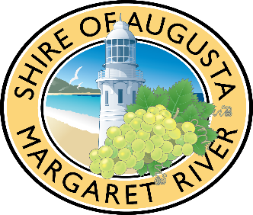
EXAMPLE ONLY. See other tabs for templates.
Insert organisation name
Organisation Operating Grants Budget 2023-24
This budget template will support your application and show your organisations’ capacity to deliver the proposal.
A budget example is provided below.

Income (Service Budget)
List expected income | Total cost $ (inc GST) | Income confirmed Y/N
Shire of Augusta Margaret River Organisation Operating Grant (Requested) | $10,100
Amount contributed by other grants/sponsorships e.g. Lotterywest Grant. Advise if confirmed or unconfirmed | $15,000
Amount contributed by your organisation (cash) | $10,000
In-Kind contribution e.g. volunteers, admin (estimate) | $10,000
Fundraising | $5,400
Other

TOTAL INCOME | $50,500

Expenditure (Service Budget)
List expected expenditure | Total cost $ (inc GST) | Funding source for the expense eg Shire Grant, Other Grant, Corporate Sponsor, In Kind
Staff (0.3 FTE) | $15,000 | Shire Grant & Lotterywest Grant
Public Liability Insurance | $500 | Shire Grant
Rent of Office Space | $5,000 | Shire Grant
Stationary | $200 | Shire Grant
Internet and phone | $1,000 | Shire Grant
Volunteer insurance | $400 | Shire Grant
Training for volunteers | $300 | Shire Grant
Program delivery (List key components & resources) | $18,000 | Fundraising and Lotterwest Grant
Volunteers (include time and tasks) | $10,100 | In kind
Other

TOTAL EXPENDITURE | $50,500

