Sheet1
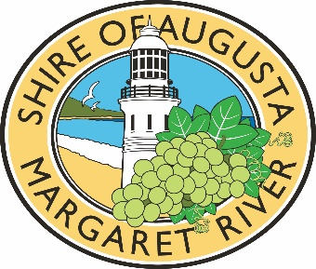
Insert your event name
Major Events Grants - Budget Acquittal
This budget template should be completed to show actual income and expenditure for the event.
Some example are provided below. Please delete these activities and complete as required.

Income | Amount $ (inc GST)
Replace text below with income sources | Replace text below with actuals
Shire of Augusta Margaret River Major Events Grant | $10,000
XYZ Grant | $50,000
XYZ Grant | $25,000
XYZ Grant | $10,000
Ticket Sales | $83,000
Merchanside | $10,000

TOTAL INCOME | $188,000

Expenditure | Total Expenditure $ (inc GST) | Shire Grant Expenditure $ (inc GST)
Replace text below with actual expenditure | Replace text below with actuals | Please show the breakdown below of how Shire Grant Funding was used in support of this event.
Venue hire | $5,000
Event styling | $2,500
Event catering | $5,000
Staging and lighting | $5,000
Event insurance | $2,500
Salaries / wages | $50,000
Contractor fees | $2,500
Public relations | $5,000
Local AMR Shire marketing | $5,000
Metro / Interstate marketing | $25,000
Graphic design and printing | $10,000
Signage | $2,500
Social media advertising | $2,500
Photography & videography | $3,000
Welcome to Country / Indigenous consultation | $1,000
Merchandise | $2,500
Permits fees | $3,000
Traffic Management | $4,000
Donations / Contributions to AMR Shire community groups / volunteer organisations | $2,000
TOTAL EXPENDITURE | $138,000

TOTAL PROFIT / (LOSS) | $50,000

